Sheet1
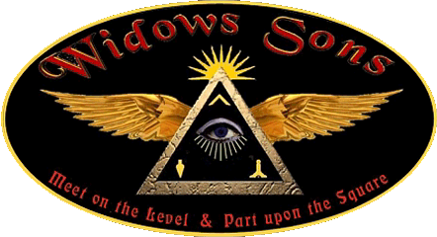 |  |  |  | 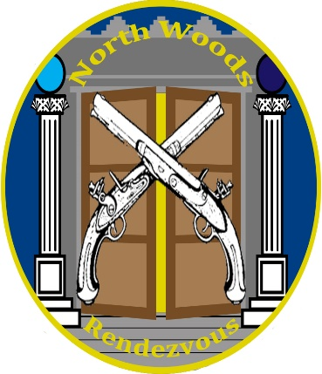
2021 North Woods Rendezvous
Hosted by the Temple Guard, North Woods Maine Chapter
of the Widows Sons of Maine

Name:
Email:
Phone:
WS Chapter:
 | QTY | PRICE | TOTAL
Ride Registration |  | $20.00 | $-
Passenger Registration |  | $10.00 | $-
Full Camping Hookup (per night) * |  | $25.00 | $-
7/16 Supper (by donation)
7/17 Breakfast |  | $7.00 | $-
7/17 Guest Lunch |  | $10.00 | $-
7/17 Supper |  | $20.00 | $-
Rendezvous/Ride Patch |  | $10.00 | $-
Temple Guard Challenge Coin |  | $10.00 | $-
Lady's Challenge Coin |  | $10.00 | $-
T-Shirts |  | $20.00 | $- | Specify Size(s):
 |  |  | $- | GRAND TOTAL

Thursday - Early entry to Fairgrounds

Friday - Arrival, Supper, Branding at Dusk

Saturday - Breakfast at the Fairgrounds, Lunch (BBQ - burgers and dogs, etc.),
Official Charity Ride raising money for local charities through MAC (Masons Assisting Communities)
Supper (Four course meal)
Sunday - Enjoy sleeping in and depart the Fairgrounds

*Camping is water and electric hookups. Dumping Station on grounds.

Please submit registration electronically to wyzyrd@outlook.com

Registration is for a head count. Please pay at the event.

